Dashboard
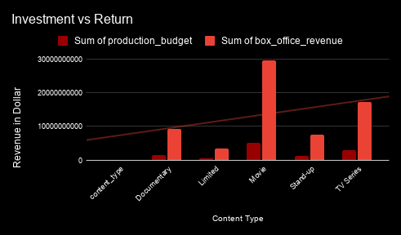
NETFLIX

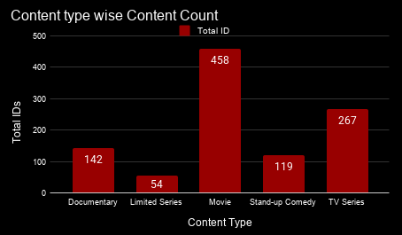
Content Type wise Duration Minutes

Country Wise Investment vs Return

AVERAGE of IMDB_Rating vs Content Type

Pivot Table 1
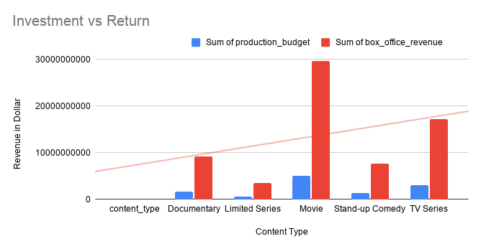
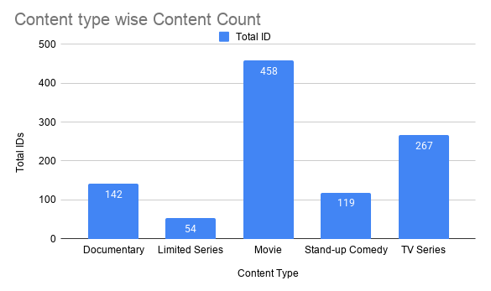
Content Type wise Duration Minutes

AVERAGE of IMDB_Rating vs Content Type

Pivot Table 2
Country Wise Investment vs Return

